bar sub-category
Sales by Sub-category
Row Labels | Sum of Sales | Sum of Profit
Accessories | 167380.318 | 41936.6357
Appliances | 107532.161 | 18138.0054
Art | 27118.792 | 6527.787
Binders | 203412.733 | 30221.7633
Bookcases | 114879.9963 | -3472.556
Chairs | 328449.103 | 26590.1663
Copiers | 149528.03 | 55617.8249
Envelopes | 16476.402 | 6964.1767
Fasteners | 3024.28 | 949.5182
Furnishings | 91705.164 | 13059.1436
Labels | 12486.312 | 5546.254
Machines | 189238.631 | 3384.7569
Paper | 78479.206 | 34053.5693
Phones | 330007.054 | 44515.7306
Storage | 223843.608 | 21278.8264
Supplies | 46673.538 | -1189.0995
Tables | 206965.532 | -17725.4811
Grand Total | 2297200.8603 | 286397.0217

bar region
Sales Profit by Region
Row Labels | Sum of Sales | Sum of Profit
Central | 501239.8908 | 39706.3625
East | 678781.24 | 91522.78
South | 391721.905 | 46749.4303
West | 725457.8245 | 108418.4489

Pie category
Sales by Category
Row Labels | Sum of Sales
Furniture | 741999.7953
Office Supplies | 719047.032
Technology | 836154.033

dashBoard
Super Store Sales Dashboard
Sales Profit by Region
 | Sum of Sales | Sum of Profit
Central | 501239.8908 | 39706.3625
East | 678781.24 | 91522.78
South | 391721.905 | 46749.4303
West | 725457.8245 | 108418.4489
Sales by Category
 | Total
Furniture | 741999.7953
Office Supplies | 719047.032
Technology | 836154.033
 |  |  |  |  |  | Sum of Sales | Column Labels
 |  |  |  |  |  | Row Labels | Central | East | South | West
 |  |  |  |  |  | Accessories | 33956.076 | 45033.372 | 27276.754 | 61114.116
 |  |  |  |  |  | Appliances | 23582.033 | 34188.466 | 19525.326 | 30236.336
 |  |  |  |  |  | Art | 5765.34 | 7485.764 | 4655.622 | 9212.066
 |  |  |  |  |  | Binders | 56923.282 | 53497.997 | 37030.341 | 55961.113
 |  |  |  |  |  | Bookcases | 24157.1768 | 43819.334 | 10899.362 | 36004.1235
 |  |  |  |  |  | Chairs | 85230.646 | 96260.683 | 45176.446 | 101781.328
 |  |  |  |  |  | Copiers | 37259.57 | 53219.462 | 9299.756 | 49749.242
 |  |  |  |  |  | Envelopes | 4636.872 | 4375.874 | 3345.556 | 4118.1
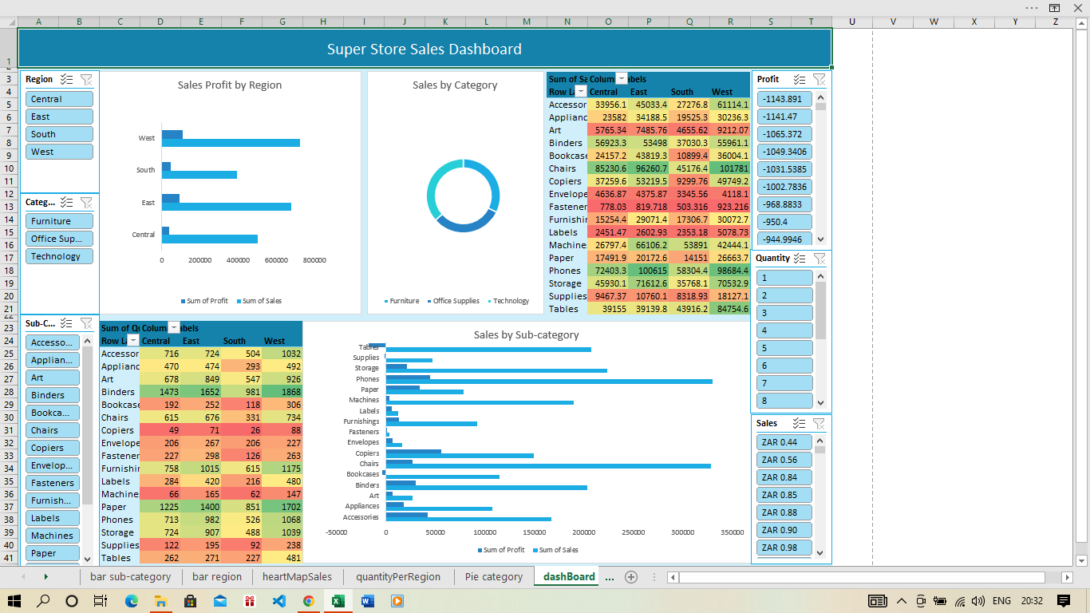
 |  |  |  |  |  | Fasteners | 778.03 | 819.718 | 503.316 | 923.216
 |  |  |  |  |  | Furnishings | 15254.37 | 29071.38 | 17306.684 | 30072.73
 |  |  |  |  |  | Labels | 2451.472 | 2602.934 | 2353.18 | 5078.726
 |  |  |  |  |  | Machines | 26797.384 | 66106.165 | 53890.96 | 42444.122
 |  |  |  |  |  | Paper | 17491.902 | 20172.602 | 14150.984 | 26663.718
 |  |  |  |  |  | Phones | 72403.282 | 100614.982 | 58304.438 | 98684.352
 |  |  |  |  |  | Storage | 45930.112 | 71612.584 | 35768.06 | 70532.852
 |  |  |  |  |  | Supplies | 9467.372 | 10760.116 | 8318.928 | 18127.122
 |  |  |  |  |  | Tables | 39154.971 | 39139.807 | 43916.192 | 84754.562

Sales by Sub-category
 | Sum of Sales | Sum of Profit
Accessories | 167380.318 | 41936.6357
Appliances | 107532.161 | 18138.0054
Art | 27118.792 | 6527.787
Binders | 203412.733 | 30221.7633
Bookcases | 114879.9963 | -3472.556
Chairs | 328449.103 | 26590.1663
Copiers | 149528.03 | 55617.8249
Envelopes | 16476.402 | 6964.1767
Fasteners | 3024.28 | 949.5182
Furnishings | 91705.164 | 13059.1436
Labels | 12486.312 | 5546.254
Machines | 189238.631 | 3384.7569
Paper | 78479.206 | 34053.5693
Phones | 330007.054 | 44515.7306
Storage | 223843.608 | 21278.8264
Supplies | 46673.538 | -1189.0995
Tables | 206965.532 | -17725.4811
 | Sum of Quantity | Column Labels
 | Row Labels | Central | East | South | West
 | Accessories | 716 | 724 | 504 | 1032
 | Appliances | 470 | 474 | 293 | 492
 | Art | 678 | 849 | 547 | 926
 | Binders | 1473 | 1652 | 981 | 1868
 | Bookcases | 192 | 252 | 118 | 306
 | Chairs | 615 | 676 | 331 | 734
 | Copiers | 49 | 71 | 26 | 88
 | Envelopes | 206 | 267 | 206 | 227
 | Fasteners | 227 | 298 | 126 | 263
 | Furnishings | 758 | 1015 | 615 | 1175
 | Labels | 284 | 420 | 216 | 480
 | Machines | 66 | 165 | 62 | 147
 | Paper | 1225 | 1400 | 851 | 1702
 | Phones | 713 | 982 | 526 | 1068
 | Storage | 724 | 907 | 488 | 1039
 | Supplies | 122 | 195 | 92 | 238
 | Tables | 262 | 271 | 227 | 481

